Guide
1. | Enviromment requirement
 | Excel 2007 or higher
2. | Procedue
 | Step 1:
 |  | Open file DDA21310L_GECB_PARA_SET.xlsm file with Excel 2007
 | Step 2:
 |  | Select sheet Input
 | Step 3:
 |  | Click RESET button to clear data in GREEN color cell if needed.
 | Step 4:
 |  | Input contract number in RED color cell.
 | Step 5:
 |  | Click Load Controller ODF button and open the controller ODF file following the prompt.
 | Step 6:
 | 6.1 | Click OUTPUT . HEX button after confirmation all the input information
 | 6.2 | Follow the Prompt menu going back/forth to output a .HEX file in a speified path.
 | Step 7:
 | 7.1 | Set up programming instrument and EEPROM (AAA616NL15) with PC
 | 7.2 | Select chip type: ATMEL, AT25256, 8000H Bytes
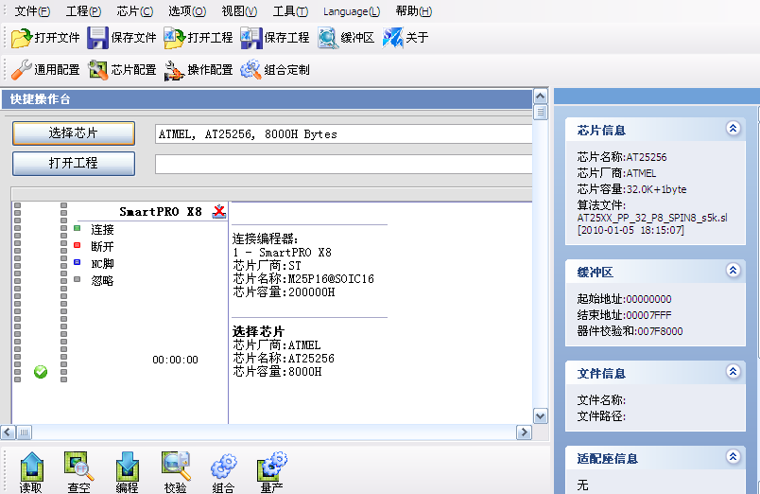

 | 7.3 | Open file generated on Step 6.2
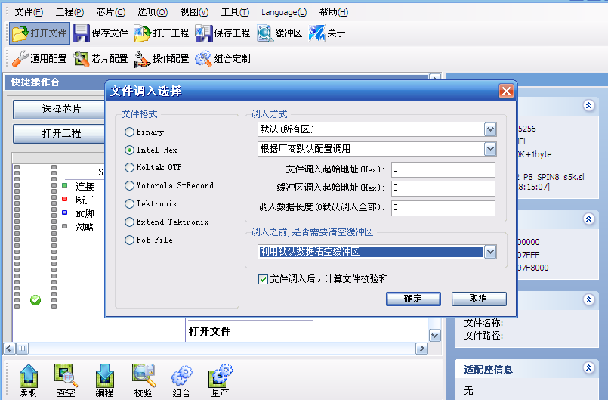

 | 7.4 | Click “组合”（Combine) button to start burn the EEPROM
 | 7.5 | After finish burning, power off programming instrument and disconnect EEPROM from it
 | 7.6 | Label EEPROM based on the name of .HEX file

 |  | Note: The interface of above programming maybe different depending on your programming instrument.
3. | Help
 | 3.1 | E-mail: Junqi.feng@otis.com
 | 3.2 | Phone: +86 21 20350157

